RPSI_01
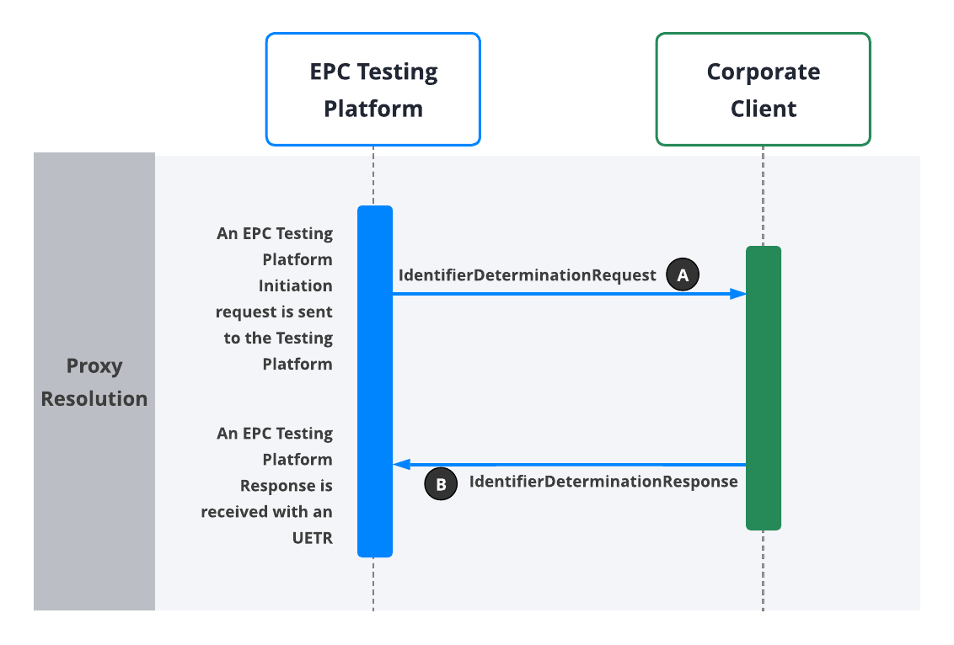

Test ID | Category | Test Scenario | Pre-Conditions | Testing Platform Input | Expected Outcome | Outcome Drill-Down Details | Testing Platform Output | Pass/Fail | Comments/Notes | Issue Log
 |  |  |  |  |  |  |  |  |  | Issue Description | Status | Severity
 | The category of the test | Description of what is being tested (what is the aim of the test case to test). e.g. Test that reversals will work | The conditions of the system prior to running the test cases | Inputs into the EPC Testing Platform required to initiate the test scenario. | The expected result of running the test case. e.g. We should see a successful ProxyResolutionResponse message. | The specific messages that should result in the expected outcome - this can be used for troubleshooting if the actual expected outcome was not achieved. | EPC Testing Platform output of the test scenario. | Was the scenario successful or not. | Any additional information, e.g. The test failed but this is expected until the next bug fix goes in. | Record of specific issue encountered that needs to be included in test report for customer. | Pending/Resolved | 1 - High impact/risk 2 - Medium impact/risk 3 - Low impact/risk
RPSI_01 | Proxy Resolution | Successful Proxy Resolution | * Electrum EPC Testing Platform/Corporate Client connection is live | Steps: (1) Execute test PE_1 of the EPC Testing Platform using a valid creditor proxy (ie basket number) linked to a customer account/record. (2) Repeat step 1 two more times using different creditor proxy values. | For each execution of test PE_1: * An IdentifierDeterminationRequest is received from Electrum at the Corporate Client * A positive IdentifierDeterminationResponse is received from the Corporate Client at Electrum | A & B in diagram | For each execution of test PE_1, a EPC Testing Platform Response is received with an UETR for this executed test case/transaction. This UETR can be sent in a call to the EPC Testing Platform and will return the list of events that the simulated test scenario outputs. List of PE_1 Events: RECEIVED_INITIATION_REQUEST ACCEPTED_INITIATION_REQUEST SENT_PROXY_RESOLUTION_REQUEST DELIVERED_PROXY_RESOLUTION_REQUEST ACCEPTED_PROXY_RESOLUTION_RESPONSE POSITIVE_PROXY_RESOLUTION_RESPONSE Note: If the list of events does not match the above or an unexpected error results after running the test case, the test was unsuccessful and the issue must be troubleshooted. Note: The steps in blue above are those produced by the Corporate Client's interaction with the Testing Platform. The steps in black are automatically produced by the Testing Platform. | NOT TESTED YET | [Please add the transaction UETR here so that Electrum can find and review the transaction.]
FOR REFERENCE ONLY:
PE_1 | Inbound Pay-by-proxy | Successful Proxy Resolution Applicable to: *** Auto-auth implementation *** Partner-auth implementation | * Electrum EPC Testing Platform/Corporate Client connection is live | The Corporate Client sends an EPC Testing Platform Initiation Request to run the test scenario, including the following fields: * Test ID ("PE_1") - testId * The Corporate Client's Domain - initiationDetails.domain * A valid proxy linked to a customer account/record at the Corporate Client - initiationDetails.proxy Events: RECEIVED_INITIATION_REQUEST ACCEPTED_INITIATION_REQUEST An EPC Testing Platform Initiation Response is received at the Corproate Client including the UETR that will be used in the transaction that will follow: * Transaction UETR - uetr | a) An IdentifierDeterminationRequest is received from Electrum at the Corporate Client, including the following fields: * Creation date and time - messageIdentifiers.creationDateTime * Message identifier -messageIdentifiers.messageIdentification * Proxy - request.identifier.value * Corporate Client domain - request.identifier.namespace * Instructed Agent (Corporate Client identifier) - request.instructedAgent.lei or request.instructedAgent.companyRegistration * Instructing Agent (Investec BICFI) - request.instructingAgent.bicfi * Transaction UETR - request.uetr | A in diagram | A EPC Testing Platform Response is received with an UETR for this executed test case/transaction. This UETR can be sent in a call to the EPC Testing Platform and will return the list of events that the simulated test scenario outputs. List of PE_1 Events: RECEIVED_INITIATION_REQUEST ACCEPTED_INITIATION_REQUEST SENT_PROXY_RESOLUTION_REQUEST DELIVERED_PROXY_RESOLUTION_REQUEST ACCEPTED_PROXY_RESOLUTION_RESPONSE POSITIVE_PROXY_RESOLUTION_RESPONSE Note: If the list of events does not match the above or an unexpected error results after running the test case, the test was unsuccessful and the issue must be troubleshooted. Note: The steps in blue above are those produced by the Corporate Client's interaction with the Testing Platform. The steps in black are automatically produced by the Testing Platform. | NOT TESTED YET | [Please add the transaction UETR here so that Electrum can find and review the transaction.]
 |  |  |  |  | b) An IdentifierDeterminationResponse is received from the Corporate Client at Electrum, including the following fields: * Creation date and time - messageIdentifiers.creationDateTime * Message identifier -messageIdentifiers.messageIdentification * Instructed Agent (Investec BICFI) - report.instructedAgent.bicfi * Instructing Agent (Corporate Client Lei) - report.instructingAgent.lei * Transaction UETR - report.originalUetr * Corporate Client name - report.reportInformation.accountOwner.knownAsName * Ultimate account holder at Corporate Client name - report.reportInformation.accountOwner.legalName * Proxy Outcome ('SUCCESSFUL') - report.reportInformation.outcome Events: ACCEPTED_PROXY_RESOLUTION_RESPONSE POSITIVE_PROXY_RESOLUTION_RESPONSE | B in diagram

RPSI_02
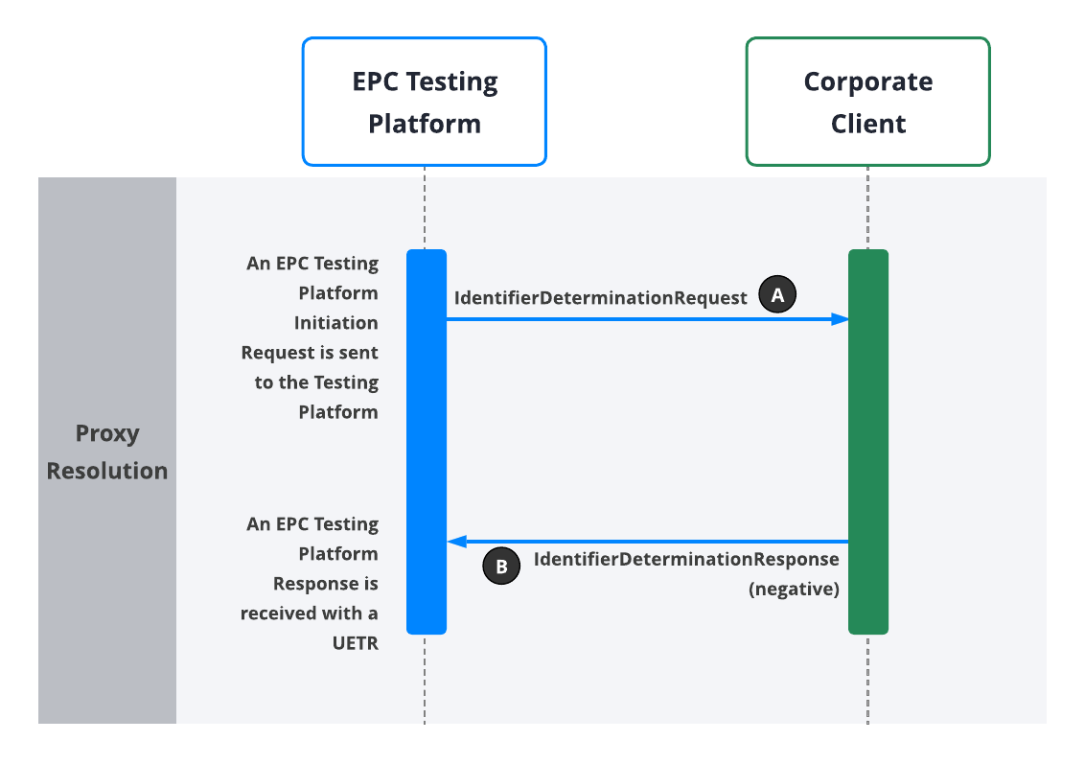

Test ID | Category | Test Scenario | Pre-Conditions | Testing Platform Input | Expected Outcome | Outcome Drill-Down Details | Testing Platform Output | Pass/Fail | Comments/Notes | Issue Log
 |  |  |  |  |  |  |  |  |  | Issue Description | Status | Severity
 | The category of the test | Description of what is being tested (what is the aim of the test case to test). e.g. Test that reversals will work | The conditions of the system prior to running the test cases | Inputs into the EPC Testing Platform required to initiate the test scenario. | The expected result of running the test case. e.g. We should see a successful 0430 messages. | The specific messages that should result in the expected outcome - this can be used for troubleshooting if the actual expected outcome was not achieved. | EPC Testing Platform output of the test scenario. | Was the scenario successful or not. | Any additional information, e.g. The test failed but this is expected until the next bug fix goes in. | Record of specific issue encountered that needs to be included in test report for customer. | Pending/Resolved | 1 - High impact/risk 2 - Medium impact/risk 3 - Low impact/risk
RPSI_02 | Proxy Resolution (Negative) | Unsuccessful Proxy Resolution (Proxy Not Found) | * Electrum EPC Testing Platform/Corporate Client connection is live | Steps: (1) Execute test PE_2 of the EPC Testing Platform using an invalid creditor proxy, i.e., a proxy that is not linked to a customer account/record. (2) Repeat step 1 one more time using different creditor proxy values. | For each execution of test PE_2: * An IdentifierDeterminationRequest is received from Electrum at the Corporate Client * A negative IdentifierDeterminationResponse is received from the Corporate Client at Electrum | A & B in diagram | For each execution of test PE_2, a EPC Testing Platform Response is received with an UETR for this executed test case/transaction. This UETR can be sent in a call to the EPC Testing Platform and will return the list of events that the simulated test scenario outputs. List of PE_2 Events: RECEIVED_INITIATION_REQUEST ACCEPTED_INITIATION_REQUEST SENT_PROXY_RESOLUTION_REQUEST DELIVERED_PROXY_RESOLUTION_REQUEST ACCEPTED_PROXY_RESOLUTION_RESPONSE NEGATIVE_PROXY_RESOLUTION_RESPONSE Note: If the list of events does not match the above or an unexpected error results after running the test case, the test was unsuccessful and the issue must be troubleshooted. Note: The steps in blue above are those produced by the Corporate Client's interaction with the Testing Platform. The steps in black are automatically produced by the Testing Platform. | NOT TESTED YET | [Please add the transaction UETR here so that Electrum can find and review the transaction.]
FOR REFERENCE ONLY:
PE_2 | Inbound Pay-by-proxy | Negative IdentifierDeterminationResponse - Non-existent or Invalid Proxy Applicable to: *** Auto-auth implementation *** Partner-auth implementation | * Electrum EPC Testing Platform/Corporate Client connection is live | The Corporate Client sends an EPC Testing Platform Initiation Request to run the test scenario, including the following fields: * Test ID ("PE_2") - testId * The Corporate Client's Domain - initiationDetails.domain * A valid proxy linked to a customer account/record at the Corporate Client - initiationDetails.proxy Events: RECEIVED_INITIATION_REQUEST ACCEPTED_INITIATION_REQUEST An EPC Testing Platform Initiation Response is received at the Corproate Client including the UETR that will be used in the transaction that will follow: * Transaction UETR - uetr | a) An IdentifierDeterminationRequest is received from Electrum at the Corporate Client with an invalid/non-existent proxy, including the following fields: * Creation date and time - messageIdentifiers.creationDateTime * Message identifier -messageIdentifiers.messageIdentification * Invalid/non-existent Proxy - request.identifier.value * Corporate Client domain - request.identifier.namespace * Instructed Agent (Corporate Client identifier) - request.instructedAgent.lei or request.instructedAgent.companyRegistration * Instructing Agent (Investec BICFI) - request.instructingAgent.bicfi * Transaction UETR - request.uetr | A in diagram | A EPC Testing Platform Response is received with an UETR for this executed test case/transaction. This UETR can be sent in a call to the EPC Testing Platform and will return the list of events that the simulated test scenario outputs. List of PE_2 Events: RECEIVED_INITIATION_REQUEST ACCEPTED_INITIATION_REQUEST SENT_PROXY_RESOLUTION_REQUEST DELIVERED_PROXY_RESOLUTION_REQUEST ACCEPTED_PROXY_RESOLUTION_RESPONSE NEGATIVE_PROXY_RESOLUTION_RESPONSE Note: If the list of events does not match the above or an unexpected error results after running the test case, the test was unsuccessful and the issue must be troubleshooted. Note: The steps in blue above are those produced by the Corporate Client's interaction with the Testing Platform. The steps in black are automatically produced by the Testing Platform. | NOT TESTED YET | [Please add the transaction UETR here so that Electrum can find and review the transaction.]
 |  |  |  |  | b) A negative IdentifierDeterminationResponse is received from the Corporate Client at Electrum, including the following fields: * Creation date and time - messageIdentifiers.creationDateTime * Message identifier -messageIdentifiers.messageIdentification * Instructed Agent (Investec BICFI) - report.instructedAgent.bicfi * Instructed Agent (Corporate Client identifier) - report.instructedAgent.lei or report.instructedAgent.companyRegistration * Transaction UETR - report.originalUetr * Proxy Outcome ('FAILED') - report.reportInformation.outcome * Reason code ('PX03' for proxy not found) - report.reportInformation.reasonCode Events: ACCEPTED_PROXY_RESOLUTION_RESPONSE NEGATIVE_PROXY_RESOLUTION_RESPONSE | B in diagram

RPSI_03
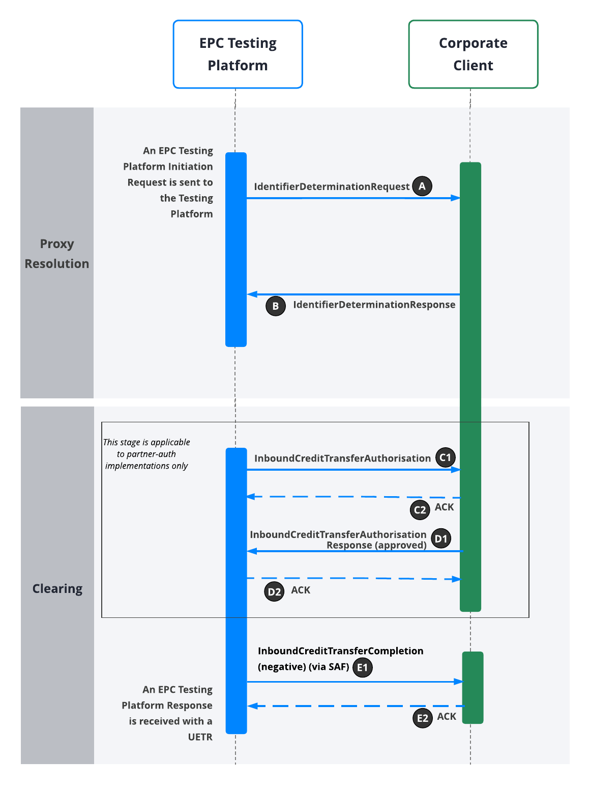

`
Test ID | Category | Test Scenario | Pre-Conditions | Test Platform Input | Expected Outcome | Outcome Drill-Down Details | Testing Platform Output | Pass/Fail | Comments/Notes | Issue Log
 |  |  |  |  |  |  |  |  |  | Issue Description | Status | Severity
 | The category of the test | Description of what is being tested (what is the aim of the test case to test). e.g. Test that reversals will work | The conditions of the system prior to running the test cases | Inputs into the EPC Testing Platform required to initiate the test scenario. | The expected result of running the test case. e.g. We should see a successful 0430 messages. | The specific messages that should result in the expected outcome - this can be used for troubleshooting if the actual expected outcome was not achieved. | EPC Testing Platform output of the test scenario. | Was the scenario successful or not. | Any additional information, e.g. The test failed but this is expected until the next bug fix goes in. | Record of specific issue encountered that needs to be included in test report for customer. | Pending/Resolved | 1 - High impact/risk 2 - Medium impact/risk 3 - Low impact/risk
RPSI_03 | Consolidated Proxy and Clearing | Successful Proxy Resolution and Clearing | * Electrum EPC Testing Platform/Corporate Client connection is live | Steps: (1) Execute test PE_3 of the EPC Testing Platform using a valid creditor proxy linked to a customer account/record as well as an amount value for which the payment will be successful. (2) Repeat step 1 two more times using different creditor proxy and amount values. | For each execution of test PE_3: * An IdentifierDeterminationRequest is received from Electrum at the Corporate Client * A positive IdentifierDeterminationResponse is received from the Corporate Client at Electrum * An InboundCreditTransferAuthorisation is received from Electrum at the Corporate Client * An HTTP 2xx (ACK) is received from the Corporate Client at Electrum * A positive InboundCreditTransferAuthorisationResponse is received from the Corporate Client at Electrum * An HTTP 2xx (ACK) is received from Electrum at the Corporate Client * An InboundCreditTransferCompletion is received from Electrum at the Corporate Client * An HTTP 2xx (ACK) is received from the Corporate Client at Electrum | A, B, C1, C2, D1, D2, E1, & E2 in diagram | For each execution of test PE_3, a EPC Testing Platform Response is received with an UETR for this executed test case/transaction. This UETR can be sent in a call to the EPC Testing Platform and will return the list of events that the simulated test scenario outputs. List of PE_3 Events: RECEIVED_INITIATION_REQUEST ACCEPTED_INITIATION_REQUEST SENT_PROXY_RESOLUTION_REQUEST DELIVERED_PROXY_RESOLUTION_REQUEST ACCEPTED_PROXY_RESOLUTION_RESPONSE POSITIVE_PROXY_RESOLUTION_RESPONSE SENT_CREDIT_TRANSFER_REQUEST DELIVERED_CREDIT_TRANSFER_REQUEST ACCEPTED_PAYMENT_STATUS_REPORT POSITIVE_PAYMENT_STATUS_REPORT SENT_DELIVERY_STATUS_REPORT DELIVERED_DELIVERY_STATUS_REPORT Note: If the list of events does not match the above or an unexpected error results after running the test case, the test was unsuccessful and the issue must be troubleshooted. Note: The steps in blue above are those produced by the Corporate Client's interaction with the Testing Platform. The steps in black are automatically produced by the Testing Platform. | NOT TESTED YET | [Please add the transaction UETR here so that Electrum can find and review the transaction.]
FOR REFERENCE ONLY:
PE_3 | Inbound Pay-by-proxy | Successful Clearing Applicable to: *** Auto-auth implementation *** Partner-auth implementation | * Electrum EPC Testing Platform/Corporate Client connection is live | The Corporate Client sends an EPC Testing Platform Initiation Request to run the test scenario, including the following fields: * Test ID ("PE_3") - testId * The Corporate Client's Domain - initiationDetails.domain * A valid proxy linked to a customer account/record at the Corporate Client - initiationDetails.proxy Events: RECEIVED_INITIATION_REQUEST ACCEPTED_INITIATION_REQUEST An EPC Testing Platform Initiation Response is received at the Corproate Client including the UETR that will be used in the transaction that will follow: * Transaction UETR - uetr | a) An IdentifierDeterminationRequest is received from Electrum at the Corporate Client, including the following fields: * Creation date and time - messageIdentifiers.creationDateTime * Message identifier -messageIdentifiers.messageIdentification * Proxy - request.identifier.value * Corporate Client domain - request.identifier.namespace * Instructed Agent (Corporate Client identifier) - request.instructedAgent.lei or request.instructedAgent.companyRegistration * Instructing Agent (Investec BICFI) - request.instructingAgent.bicfi * Transaction UETR - request.uetr | A in diagram | A EPC Testing Platfrom Response is received with an UETR for this executed test case/transaction. This UETR can be sent in a call to the EPC Testing Platform and will return the list of events that the simulated test scenario outputs. List of PE_3 Events: RECEIVED_INITIATION_REQUEST ACCEPTED_INITIATION_REQUEST SENT_PROXY_RESOLUTION_REQUEST DELIVERED_PROXY_RESOLUTION_REQUEST ACCEPTED_PROXY_RESOLUTION_RESPONSE POSITIVE_PROXY_RESOLUTION_RESPONSE SENT_CREDIT_TRANSFER_REQUEST DELIVERED_CREDIT_TRANSFER_REQUEST ACCEPTED_PAYMENT_STATUS_REPORT POSITIVE_PAYMENT_STATUS_REPORT SENT_DELIVERY_STATUS_REPORT DELIVERED_DELIVERY_STATUS_REPORT Note: If the list of events does not match the above or an unexpected error results after running the test case, the test was unsuccessful and the issue must be troubleshooted. Note: The steps in blue above are those produced by the Corporate Client's interaction with the Testing Platform. The steps in black are automatically produced by the Testing Platform. | NOT TESTED YET | [Please add the transaction UETR here so that Electrum can find and review the transaction.]
 |  |  |  |  | b) An IdentifierDeterminationResponse is received from the Corporate Client at Electrum, including the following fields: * Creation date and time - messageIdentifiers.creationDateTime * Message identifier - messageIdentifiers.messageIdentification * Instructed Agent (Investec BICFI) - report.instructedAgent.bicfi * Instructed Agent (Corporate Client identifier) - request.instructedAgent.lei or request.instructedAgent.companyRegistration * Transaction UETR - report.originalUetr * Corporate Client name - report.reportInformation.accountOwner.knownAsName * Ultimate account holder at Corporate Client name - report.reportInformation.accountOwner.legalName * Proxy Outcome ('SUCCESSFUL') - report.reportInformation.outcome Events: ACCEPTED_PROXY_RESOLUTION_RESPONSE POSITIVE_PROXY_RESOLUTION_RESPONSE | B in diagram
 |  |  |  |  | [Note that, although the complete test case is applicable to both auto-auth and partner-auth implementations, this particular step is applicable to partner-auth implementations only] c) An InboundCreditTransferAuthorisation is received from Electrum at the Corporate Client, including: * Message identifier - messageIdentifiers.messageIdentification * Creation date and time - messageIdentifiers.creationDateTime * Transaction UETR - transactionIdentifiers.uetr * Currency ('ZAR') - amounts.bankSettlementAmount.currency * Amount - amounts.bankSettlementAmount.value * Creditor Account Number (Corporate Client Merchant Account) - creditorAccount.identification.value * Creditor Account Name (ultimate account holder Legal Name at Corporate Client) - creditorAccount.name * Creditor Domain (Corporate Client Domain) - creditorAccount.proxy.namespace * Creditor Agent (Corporate Client identifier) - creditorAgent.lei or creditorAgent.companyRegistration * Debtor Account Number - debtorAccount.identification * Debtor Account Name - debtorAccount.name * Debtor Agent BICFI/memberId/lei - debtorAgent.BICFI/memberId/lei * Instructed Agent (Corporate Client identifier) - instructedAgent.lei or instructedAgent.companyRegistration * Instructing Agent (Investec BICFI) - instructingAgent.bicfi | C1 in diagram
 |  |  |  |  | [Note that, although the complete test case is applicable to both auto-auth and partner-auth implementations, this particular step is applicable to partner-auth implementations only] d) An HTTP 2xx (ACK) is received from the Corporate Client at Electrum for a CreditTransfer. | C2 in diagram
 |  |  |  |  | [Note that, although the complete test case is applicable to both auto-auth and partner-auth implementations, this particular step is applicable to partner-auth implementations only] e) An inboundCreditTransferAuthorisationResponse is received from the Corporate Client at Electrum, including: * Message identifier - messageIdentifiers.messageIdentification * Creation date and time - messageIdentifiers.creationDateTime * Transaction UETR - transactionIdentifiers.uetr * Transaction Status ('APPROVED') - status.outcome * Instructing Agent (Corporate Client identifier) - instructingAgent.lei or instructingAgent.companyRegistration * Instructed Agent (Investec BICFI) - instructedAgent.bicfi Note: The PaymentStatusReport schema is used for this operation. Events: ACCEPTED_PAYMENT_STATUS_REPORT POSITIVE_PAYMENT_STATUS_REPORT | D1 in diagram
 |  |  |  |  | [Note that, although the complete test case is applicable to both auto-auth and partner-auth implementations, this particular step is applicable to partner-auth implementations only] f) An HTTP 2xx (ACK) is received from Electrum at the Corporate Client for an inboundCreditTransferAuthorisationResponse. | D2 in diagram
 |  |  |  |  | g) An inboundCreditTransferCompletion is received from Electrum at the Corporate Client via SAF, including: * Message identifier - messageIdentifiers.messageIdentification * Creation date and time - messageIdentifiers.creationDateTime * Transaction UETR - transactionIdentifiers.uetr * Trasaction Status ('APPROVED') - status.outcome * Instructing Agent (Investec BICFI) - instructingAgent.bicfi * Instructed Agent (Corporate Client identifier) - instructedAgent.lei or instructedAgent.companyRegistration Note: The PaymentStatusReport schema is used for this operation. | E1 in diagram
 |  |  |  |  | h) An HTTP 2xx (ACK) is received from the Corporate Client at Electrum for an inboundCreditTransferCompletion. | E2 in diagram

RPSI_04
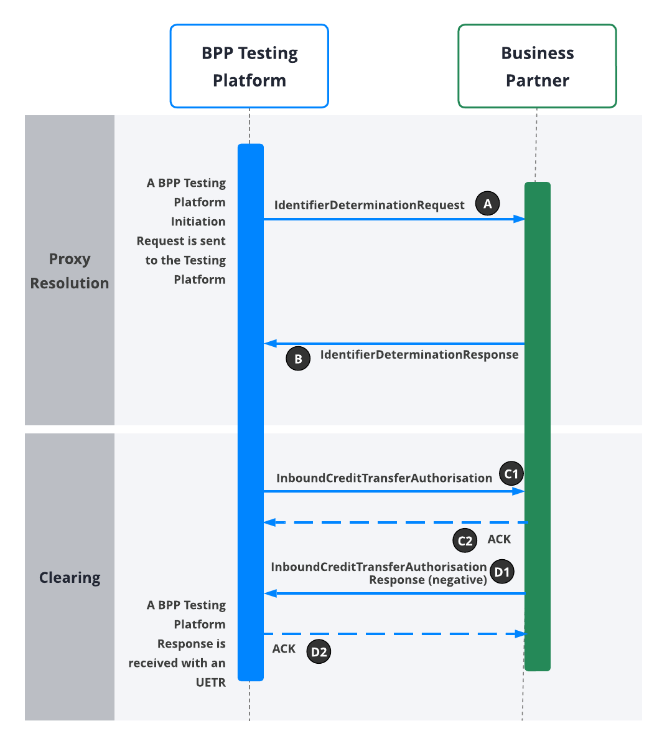

Test ID | Category | Test Scenario | Pre-Conditions | Test Input | Expected Outcome | Outcome Drill-Down Details | Testing Platform Output | Pass/Fail | Comments/Notes | Issue Log
 |  |  |  |  |  |  |  |  |  | Issue Description | Status | Severity
 | The category of the test | Description of what is being tested (what is the aim of the test case to test). e.g. Test that reversals will work | The conditions of the system prior to running the test cases | Inputs into the EPC Testing Platform required to initiate the test scenario. | The expected result of running the test case. e.g. We should see a successful 0430 messages. | The specific messages that should result in the expected outcome - this can be used for troubleshooting if the actual expected outcome was not achieved. | EPC Testing Platform output of the test scenario. | Was the scenario successful or not. | Any additional information, e.g. The test failed but this is expected until the next bug fix goes in. | Record of specific issue encountered that needs to be included in test report for customer. | Pending/Resolved | 1 - High impact/risk 2 - Medium impact/risk 3 - Low impact/risk
RPSI_04 | Issue During CreditTransferRequest Processing - Exception Handling | Business Rules #1 | * Electrum EPC Testing Platform/Corporate Client connection is live | Steps: (1) Execute test PE_4 of the EPC Testing Platform using a valid creditor proxy linked to a customer account/record as well as an amount value for which the payment will be unsuccessful due to an internal business rule in the Corporate Client system (e.g., for which a wallet limit will be exceeded, or an amount below a minimum allowed amount). (2) Repeat step 1 two more times using different creditor proxy and amount values. | For each execution of test PE_4: * An IdentifierDeterminationRequest is received from Electrum at the Corporate Client * A positive IdentifierDeterminationResponse is received from the Corporate Client at Electrum * An InboundCreditTransferAuthorisation is received from Electrum at the Corporate Client * An HTTP 2xx (ACK) is received from the Corporate Client at Electrum * A negative InboundCreditTransferAuthorisationResponse is received from the Corporate Client at Electrum * An HTTP 2xx (ACK) is received from Electrum at the Corporate Client | A, B, C1, C2, D1, & D2 in diagram | For each execution of test PE_4, a EPC Testing Platform Response is received with an UETR for this executed test case/transaction. This UETR can be sent in a call to the EPC Testing Platform and will return the list of events that the simulated test scenario outputs. List of PE_4 Events: RECEIVED_INITIATION_REQUEST ACCEPTED_INITIATION_REQUEST SENT_PROXY_RESOLUTION_REQUEST DELIVERED_PROXY_RESOLUTION_REQUEST ACCEPTED_PROXY_RESOLUTION_RESPONSE POSITIVE_PROXY_RESOLUTION_RESPONSE SENT_CREDIT_TRANSFER_REQUEST DELIVERED_CREDIT_TRANSFER_REQUEST ACCEPTED_PAYMENT_STATUS_REPORT NEGATIVE_PAYMENT_STATUS_REPORT Note: If the list of events does not match the above or an unexpected error results after running the test case, the test was unsuccessful and the issue must be troubleshooted. Note: The steps in blue above are those produced by the Corporate Client's interaction with the Testing Platform. The steps in black are automatically produced by the Testing Platform. | NOT TESTED YET | [Please add the transaction UETR here so that Electrum can find and review the transaction.]
RPSI_05 | Issue During CreditTransferRequest Processing - Exception Handling | Business Rules #2 | * Electrum EPC Testing Platform/Corporate Client connection is live | Steps: (1) Execute test PE_4 of the EPC Testing Platform using a valid creditor proxy linked to a customer account/record as well as an amount value for which the payment will be unsuccessful due to an internal business rule (other than the business rule in RPSI_04) in the Corporate Client system. (2) Repeat step 1 two more times using different proxy and amount values. | For each execution of test PE_4: * An IdentifierDeterminationRequest is received from Electrum at the Corporate Client * A positive IdentifierDeterminationResponse is received from the Corporate Client at Electrum * An InboundCreditTransferAuthorisation is received from Electrum at the Corporate Client * An HTTP 2xx (ACK) is received from the Corporate Client at Electrum * A negative InboundCreditTransferAuthorisationResponse is received from the Corporate Client at Electrum * An HTTP 2xx (ACK) is received from Electrum at the Corporate Client | A, B, C1, C2, D1, & D2 in diagram | For each execution of test PE_4, a EPC Testing Platform Response is received with an UETR for this executed test case/transaction. This UETR can be sent in a call to the EPC Testing Platform and will return the list of events that the simulated test scenario outputs. List of PE_4 Events: RECEIVED_INITIATION_REQUEST ACCEPTED_INITIATION_REQUEST SENT_PROXY_RESOLUTION_REQUEST DELIVERED_PROXY_RESOLUTION_REQUEST ACCEPTED_PROXY_RESOLUTION_RESPONSE POSITIVE_PROXY_RESOLUTION_RESPONSE SENT_CREDIT_TRANSFER_REQUEST DELIVERED_CREDIT_TRANSFER_REQUEST ACCEPTED_PAYMENT_STATUS_REPORT NEGATIVE_PAYMENT_STATUS_REPORT Note: If the list of events does not match the above or an unexpected error results after running the test case, the test was unsuccessful and the issue must be troubleshooted. Note: The steps in blue above are those produced by the Corporate Client's interaction with the Testing Platform. The steps in black are automatically produced by the Testing Platform. | NOT TESTED YET | [Please add the transaction UETR here so that Electrum can find and review the transaction.]
FOR REFERENCE ONLY:
PE_4 | Inbound Pay-by-proxy | Negative Auth Response from Partner that participates in Partner-Auth Applicable to: *** Partner-auth implementation | * Electrum EPC Testing Platform/Corporate Client connection is live | The Corporate Client sends an EPC Testing Platform Initiation Request to run the test scenario, including the following fields: * Test ID ("PE_4") - testId * The Corporate Client's Domain - initiationDetails.domain * A valid proxy linked to a customer account/record at the Corporate Client - initiationDetails.proxy Events: RECEIVED_INITIATION_REQUEST ACCEPTED_INITIATION_REQUEST An EPC Testing Platform Initiation Response is received at the Corproate Client including the UETR that will be used in the transaction that will follow: * Transaction UETR - uetr | a) An IdentifierDeterminationRequest is received from Electrum at the Corporate Client, including: * Creation date and time - messageIdentifiers.creationDateTime * Message identifier - messageIdentifiers.messageIdentification * Proxy - request.identifier.value * Corporate Client domain - request.identifier.namespace * Instructed Agent (Corporate Client identifier) - request.instructedAgent.lei or request.instructedAgent.companyRegistration * Instructing Agent (Investec BICFI) - request.instructingAgent.bicfi * Transaction UETR - request.uetr | A in diagram | A EPC Testing Platfrom Response is received with an UETR for this executed test case/transaction. This UETR can be sent in a call to the EPC Testing Platform and will return the list of events that the simulated test scenario outputs. . List of PE_4 Events: RECEIVED_INITIATION_REQUEST ACCEPTED_INITIATION_REQUEST SENT_PROXY_RESOLUTION_REQUEST DELIVERED_PROXY_RESOLUTION_REQUEST ACCEPTED_PROXY_RESOLUTION_RESPONSE POSITIVE_PROXY_RESOLUTION_RESPONSE SENT_CREDIT_TRANSFER_REQUEST DELIVERED_CREDIT_TRANSFER_REQUEST ACCEPTED_PAYMENT_STATUS_REPORT NEGATIVE_PAYMENT_STATUS_REPORT Note: If the list of events does not match the above or an unexpected error results after running the test case, the test was unsuccessful and the issue must be troubleshooted. Note: The steps in blue above are those produced by the Corporate Client's interaction with the Testing Platform. The steps in black are automatically produced by the Testing Platform. | NOT TESTED YET | [Please add the transaction UETR here so that Electrum can find and review the transaction.]
 |  |  |  |  | b) An IdentifierDeterminationResponse is received from the Corporate Client at Electrum, including: * Creation date and time - messageIdentifiers.creationDateTime * Message identifier - messageIdentifiers.messageIdentification * Instructed Agent (Investec BICFI) - report.instructedAgent.bicfi * Instructing Agent (Corporate Client identifier) - report.instructingAgent.lei or request.instructedAgent.companyRegistration * Transaction UETR - report.originalUetr * Corporate Client name - report.reportInformation.accountOwner.knownAsName * Ultimate account holder at Corporate Client name - report.reportInformation.accountOwner.legalName * Proxy Outcome ('SUCCESSFUL') - report.reportInformation.outcome Events: ACCEPTED_PROXY_RESOLUTION_RESPONSE POSITIVE_PROXY_RESOLUTION_RESPONSE | B in diagram
 |  |  |  |  | c) An InboundCreditTransferAuthorisation is received from Electrum at the Corporate Client, including: * Message identifier - messageIdentifiers.messageIdentification * Creation date and time - messageIdentifiers.creationDateTime * Transaction UETR - transactionIdentifiers.uetr * Currency ('ZAR') - amounts.bankSettlementAmount.currency * Amount - amounts.bankSettlementAmount.value * Creditor Account Number (Corporate Client Merchant Account) - creditorAccount.identification.value * Creditor Account Name (ultimate account holder Legal Name at Corporate Client) - creditorAccount.name * Creditor Domain (Corporate Client Domain) - creditorAccount.proxy.namespace * Creditor Agent (Corporate Client identifier) - creditorAgent.lei or creditorAgent.companyRegistration * Debtor Account Number - debtorAccount.identification * Debtor Account Name - debtorAccount.name * Debtor Agent BICFI/memberId/lei - debtorAgent.BICFI/memberId/lei * Instructed Agent (Corporate Client identifier) - instructedAgent.lei or instructedAgent.companyRegistration * Instructing Agent (Investec BICFI) - instructingAgent.bicfi | C1 in diagram
 |  |  |  |  | d) An HTTP 2xx (ACK) is received from the Corporate Client at Electrum for a CreditTransfer. | C2 in diagram
 |  |  |  |  | e) An inboundCreditTransferAuthorisationResponse is received from the Corporate Client at Electrum, including: * Message identifier - messageIdentifiers.messageIdentification * Creation date and time - messageIdentifiers.creationDateTime * Transaction UETR - transactionIdentifiers.uetr * Transaction Status ('REJECTED') - status.outcome * Transaction Status Reason - status.reasonInfo.reason * Instructing Agent (Corporate Client identifier) - instructingAgent.lei or instructingAgent.companyRegistration * Instructed Agent (Investec BICFI) - instructedAgent.bicfi Note: The PaymentStatusReport schema is used for this operation. Events: ACCEPTED_PAYMENT_STATUS_REPORT POSITIVE_PAYMENT_STATUS_REPORT | D1 in diagram
 |  |  |  |  | f) An HTTP 2xx (ACK) is received from Electrum at the Corporate Client for an inboundCreditTransferAuthorisationResponse. | D2 in diagram

