PE_1
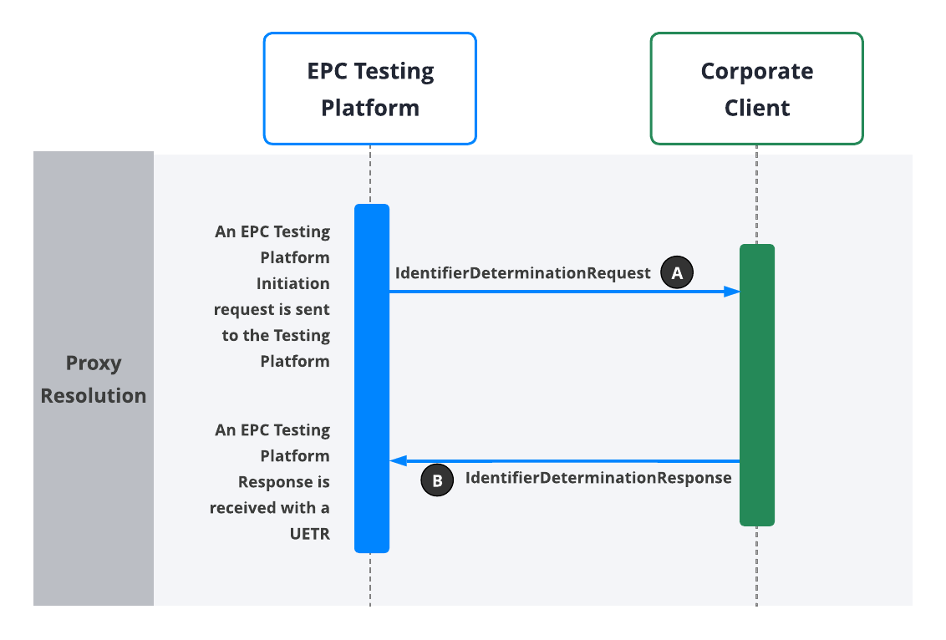

Test ID | Category | Test Scenario | Pre-Conditions | Testing Platform Input | Expected Outcome | Outcome Drill-Down Details | Testing Platform Output | Pass/Fail | Comments/Notes | Issue Log
 |  |  |  |  |  |  |  |  |  | Issue Description | Status | Severity
 | The category of the test | Description of what is being tested (what is the aim of the test case to test). e.g. Test that reversals will work | The conditions of the system prior to running the test cases | Inputs into the EPC Testing Platform required to initiate the test scenario. | The expected result of running the test case. e.g. We should see a successful ProxyResolutionResponse message. | The specific messages that should result in the expected outcome - this can be used for troubleshooting if the actual expected outcome was not achieved. | EPC Testing Platform output of the test scenario. | Was the scenario successful or not. | Any additional information, e.g. The test failed but this is expected until the next bug fix goes in. | Record of specific issue encountered that needs to be included in test report for customer. | Pending/Resolved | 1 - High impact/risk 2 - Medium impact/risk 3 - Low impact/risk
PE_1 | Inbound Pay-by-proxy | Successful Proxy Resolution Applicable to: *** Auto-auth implementation *** Partner-auth implementation | * Electrum EPC Testing Platform/Corporate Client connection is live | The Coporate Client sends an EPC Testing Platform Initiation Request to run the test scenario, including the following fields: * Test ID ("PE_1") - testId * The Corporate Client's Domain - initiationDetails.domain * A valid proxy linked to a customer account/record at the Corporate Client - initiationDetails.proxy Events: RECEIVED_INITIATION_REQUEST ACCEPTED_INITIATION_REQUEST An EPC Testing Platform Initiation Response is received at the Coproate Cleint including the UETR that will be used in the transaction that will follow: * Transaction UETR - uetr | a) An IdentifierDeterminationRequest is received from Electrum at the Corporate Client, including the following fields: * Creation date and time - messageIdentifiers.creationDateTime * Message identifier -messageIdentifiers.messageIdentification * Proxy - request.identifier.value * Corporate Client domain - request.identifier.namespace * Transaction UETR - request.uetr | A in diagram | An EPC Testing Platform Response is received with a UETR for this executed test case/transaction. This UETR can be sent in a call to the EPC Testing Platform and will return the list of events that the simulated test scenario outputs. List of PE_1 Events: RECEIVED_INITIATION_REQUEST ACCEPTED_INITIATION_REQUEST SENT_PROXY_RESOLUTION_REQUEST DELIVERED_PROXY_RESOLUTION_REQUEST ACCEPTED_PROXY_RESOLUTION_RESPONSE POSITIVE_PROXY_RESOLUTION_RESPONSE Note: If the list of events does not match the above or an unexpected error results after running the test case, the test was unsuccessful and the issue must be troubleshooted. Note: The steps in blue above are those produced by the Corporate Client's interaction with the Testing Platform. The steps in black are automatically produced by the Testing Platform. | NOT TESTED YET | [Please add the transaction UETR here so that Electrum can find and review the transaction.]
 |  |  |  |  | b) An IdentifierDeterminationResponse is received from the Corporate Client at Electrum, including the following fields: * Creation date and time - messageIdentifiers.creationDateTime * Message identifier -messageIdentifiers.messageIdentification * Transaction UETR - report.originalUetr * Proxy Outcome ('SUCCESSFUL') - report.reportInformation.outcome NOTE: The following fields are optional but should be populated by the Corporate Client. * End user account creation date - report.reportInformation.accountInformation.creationDate * Proxy Schema ('MOBILE' or 'CUSTOM') - reportInformation.accountInformation.proxy.schema * Proxy - reportInformation.accountInformation.proxy.value * End user known as name - reportInformation.accountOwner.knownAsName Events: ACCEPTED_PROXY_RESOLUTION_RESPONSE POSITIVE_PROXY_RESOLUTION_RESPONSE | B in diagram

PE_2
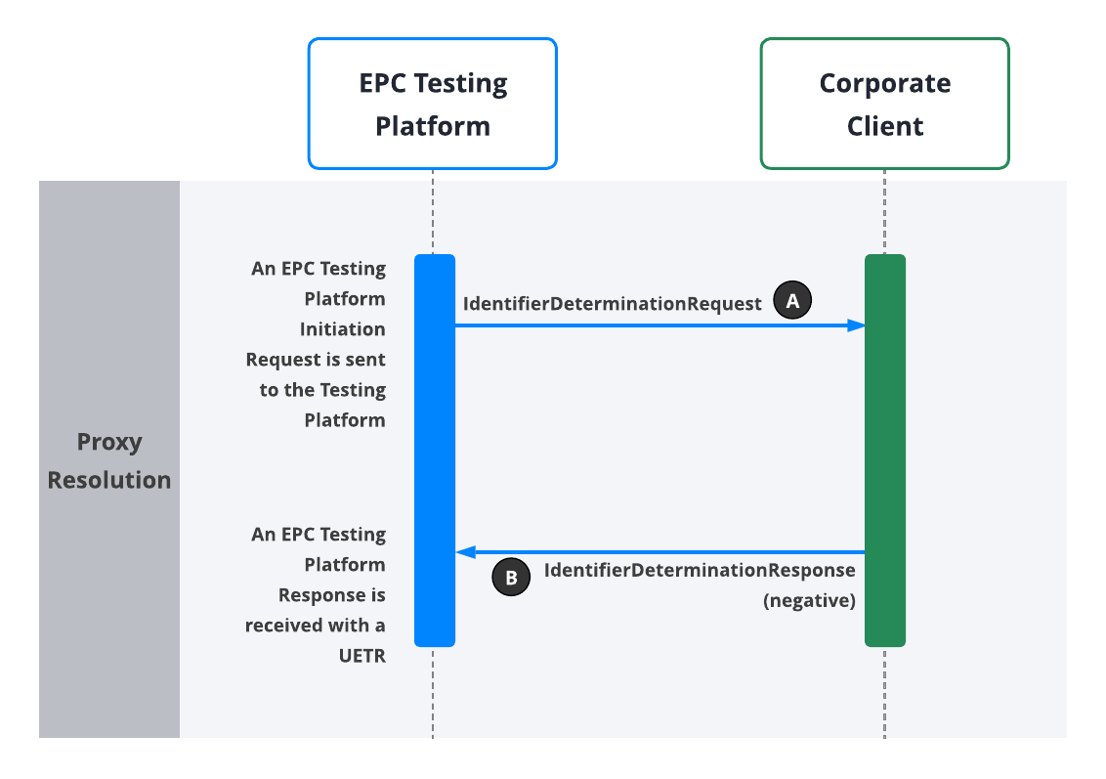

Test ID | Category | Test Scenario | Pre-Conditions | Testing Platform Input | Expected Outcome | Outcome Drill-Down Details | Testing Platform Output | Pass/Fail | Comments/Notes | Issue Log
 |  |  |  |  |  |  |  |  |  | Issue Description | Status | Severity
 | The category of the test | Description of what is being tested (what is the aim of the test case to test). e.g. Test that reversals will work | The conditions of the system prior to running the test cases | Inputs into the EPC Testing Platform required to initiate the test scenario. | The expected result of running the test case. e.g. We should see a successful 0430 messages. | The specific messages that should result in the expected outcome - this can be used for troubleshooting if the actual expected outcome was not achieved. | EPC Testing Platform output of the test scenario. | Was the scenario successful or not. | Any additional information, e.g. The test failed but this is expected until the next bug fix goes in. | Record of specific issue encountered that needs to be included in test report for customer. | Pending/Resolved | 1 - High impact/risk 2 - Medium impact/risk 3 - Low impact/risk
PE_2 | Inbound Pay-by-proxy | Negative IdentifierDeterminationResponse - Non-existent or Invalid Proxy Applicable to: *** Auto-auth implementation *** Partner-auth implementation | * Electrum EPC Testing Platform/Corporate Client connection is live | The Coporate Client sends an EPC Testing Platform Initiation Request to run the test scenario, including the following fields: * Test ID ("PE_2") - testId * The Corporate Client's Domain - initiationDetails.domain * An invalid proxy linked to a customer account/record at the Corporate Client - initiationDetails.proxy Events: RECEIVED_INITIATION_REQUEST ACCEPTED_INITIATION_REQUEST An EPC Testing Platform Initiation Response is received at the Coproate Cleint including the UETR that will be used in the transaction that will follow: * Transaction UETR - uetr | a) An IdentifierDeterminationRequest is received from Electrum at the Corporate Client with an invalid/non-existent proxy, including the following fields: * Creation date and time - messageIdentifiers.creationDateTime * Message identifier -messageIdentifiers.messageIdentification * Invalid/non-existent Proxy - request.identifier.value * Corporate Client domain - request.identifier.namespace * Transaction UETR - request.uetr | A in diagram | An EPC Testing Platform Response is received with a UETR for this executed test case/transaction. This UETR can be sent in a call to the EPC Testing Platform and will return the list of events that the simulated test scenario outputs. List of PE_2 Events: RECEIVED_INITIATION_REQUEST ACCEPTED_INITIATION_REQUEST SENT_PROXY_RESOLUTION_REQUEST DELIVERED_PROXY_RESOLUTION_REQUEST ACCEPTED_PROXY_RESOLUTION_RESPONSE NEGATIVE_PROXY_RESOLUTION_RESPONSE Note: If the list of events does not match the above or an unexpected error results after running the test case, the test was unsuccessful and the issue must be troubleshooted. Note: The steps in blue above are those produced by the Corporate Client's interaction with the Testing Platform. The steps in black are automatically produced by the Testing Platform. | NOT TESTED YET | [Please add the transaction UETR here so that Electrum can find and review the transaction.]
 |  |  |  |  | b) A negative IdentifierDeterminationResponse is received from the Corporate Client at Electrum, including the following fields: * Creation date and time - messageIdentifiers.creationDateTime * Message identifier -messageIdentifiers.messageIdentification * Transaction UETR - report.originalUetr * Proxy Outcome ('FAILED') - report.reportInformation.outcome * Reason code ('PX03' for proxy not found) - report.reportInformation.reasonCode Events: ACCEPTED_PROXY_RESOLUTION_RESPONSE NEGATIVE_PROXY_RESOLUTION_RESPONSE | B in diagram

PE_3
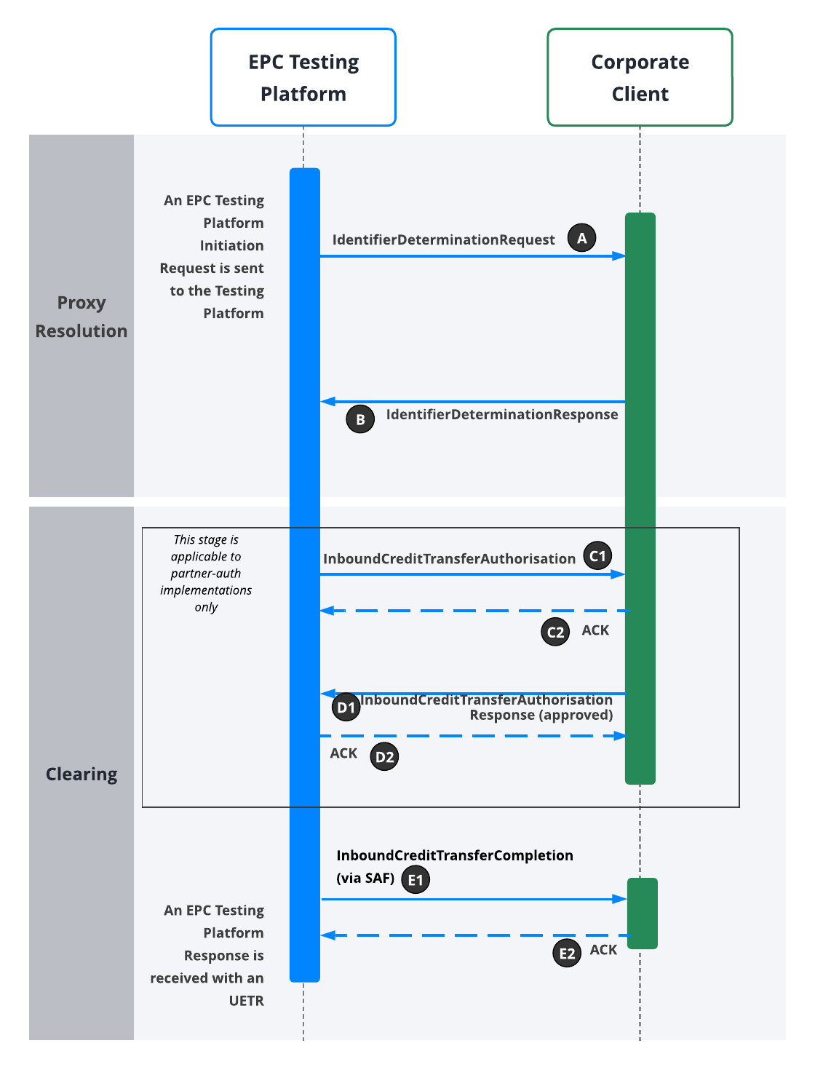

`
Test ID | Category | Test Scenario | Pre-Conditions | Test Platform Input | Expected Outcome | Outcome Drill-Down Details | Testing Platform Output | Pass/Fail | Comments/Notes | Issue Log
 |  |  |  |  |  |  |  |  |  | Issue Description | Status | Severity
 | The category of the test | Description of what is being tested (what is the aim of the test case to test). e.g. Test that reversals will work | The conditions of the system prior to running the test cases | Inputs into the EPC Testing Platform required to initiate the test scenario. | The expected result of running the test case. e.g. We should see a successful 0430 messages. | The specific messages that should result in the expected outcome - this can be used for troubleshooting if the actual expected outcome was not achieved. | EPC Testing Platform output of the test scenario. | Was the scenario successful or not. | Any additional information, e.g. The test failed but this is expected until the next bug fix goes in. | Record of specific issue encountered that needs to be included in test report for customer. | Pending/Resolved | 1 - High impact/risk 2 - Medium impact/risk 3 - Low impact/risk
PE_3 | Inbound Pay-by-proxy | Successful Clearing Applicable to: *** Auto-auth implementation *** Partner-auth implementation | * Electrum EPC Testing Platform/Corporate Client connection is live | The Coporate Client sends an EPC Testing Platform Initiation Request to run the test scenario, including the following fields: * Test ID ("PE_3") - testId * Domain - initiationDetails.domain * The Corporate Client's Domain - initiationDetails.domain * A valid proxy linked to a customer account/record at the Corporate Client - initiationDetails.proxy * Amount (in major denomination) - initiationDetails.amount * Creditor Reference - initiationDetails.creditorReference Events: RECEIVED_INITIATION_REQUEST ACCEPTED_INITIATION_REQUEST An EPC Testing Platform Initiation Response is received at the Coproate Cleint including the UETR that will be used in the transaction that will follow: * Transaction UETR - uetr | a) An IdentifierDeterminationRequest is received from Electrum at the Corporate Client, including the following fields: * Creation date and time - messageIdentifiers.creationDateTime * Message identifier -messageIdentifiers.messageIdentification * Proxy - request.identifier.value * Corporate Client domain - request.identifier.namespace * Transaction UETR - request.uetr | A in diagram | An EPC Testing Platfrom Response is received with an UETR for this executed test case/transaction. This UETR can be sent in a call to the EPC Testing Platform and will return the list of events that the simulated test scenario outputs. List of PE_3 Events: RECEIVED_INITIATION_REQUEST ACCEPTED_INITIATION_REQUEST SENT_PROXY_RESOLUTION_REQUEST DELIVERED_PROXY_RESOLUTION_REQUEST ACCEPTED_PROXY_RESOLUTION_RESPONSE POSITIVE_PROXY_RESOLUTION_RESPONSE SENT_CREDIT_TRANSFER_REQUEST DELIVERED_CREDIT_TRANSFER_REQUEST ACCEPTED_PAYMENT_STATUS_REPORT POSITIVE_PAYMENT_STATUS_REPORT SENT_DELIVERY_STATUS_REPORT DELIVERED_DELIVERY_STATUS_REPORT Note: If the list of events does not match the above or an unexpected error results after running the test case, the test was unsuccessful and the issue must be troubleshooted. Note: The steps in blue above are those produced by the Corporate Client's interaction with the Testing Platform. The steps in black are automatically produced by the Testing Platform. | NOT TESTED YET | [Please add the transaction UETR here so that Electrum can find and review the transaction.]
 |  |  |  |  | b) An IdentifierDeterminationResponse is received from the Corporate Client at Electrum, including the following fields: * Creation date and time - messageIdentifiers.creationDateTime * Message identifier - messageIdentifiers.messageIdentification * Transaction UETR - report.originalUetr * Proxy Outcome ('SUCCESSFUL') - report.reportInformation.outcome NOTE: The following fields are optional but should be populated by the Corporate Client. * End user account creation date - report.reportInformation.accountInformation.creationDate * Proxy Schema ('MOBILE' or 'CUSTOM') - reportInformation.accountInformation.proxy.schema * Proxy - reportInformation.accountInformation.proxy.value * End user known as name - reportInformation.accountOwner.knownAsName Events: ACCEPTED_PROXY_RESOLUTION_RESPONSE POSITIVE_PROXY_RESOLUTION_RESPONSE | B in diagram
 |  |  |  |  | [Note that, although the complete test case is applicable to both auto-auth and partner-auth implementations, this particular step is applicable to partner-auth implementations only] c) An InboundCreditTransferAuthorisation is received from Electrum at the Corporate Client, including: * Message identifier - messageIdentifiers.messageIdentification * Creation date and time - messageIdentifiers.creationDateTime * Transaction UETR - transactionIdentifiers.uetr * Currency ('ZAR') - amounts.bankSettlementAmount.currency * Amount - amounts.bankSettlementAmount.value * Creditor Account Number (Corporate Client Merchant Account) - creditorAccount.identification.value * Creditor Account Name (ultimate account holder/end user at Corporate Client) - creditorAccount.name * Creditor Domain (Corporate Client Domain) - creditorAccount.proxy.namespace * Creditor Agent (Corporate Client identifier) - creditorAgent.lei or creditorAgent.companyRegistration * Debtor Account Number - debtorAccount.identification * Debtor Account Name - debtorAccount.name * Debtor Agent BICFI/memberId/lei - debtorAgent.BICFI/memberId/lei | C1 in diagram
 |  |  |  |  | [Note that, although the complete test case is applicable to both auto-auth and partner-auth implementations, this particular step is applicable to partner-auth implementations only] d) An HTTP 2xx (ACK) is received from the Corporate Client at Electrum for a CreditTransfer. | C2 in diagram
 |  |  |  |  | [Note that, although the complete test case is applicable to both auto-auth and partner-auth implementations, this particular step is applicable to partner-auth implementations only] e) An inboundCreditTransferAuthorisationResponse is received from the Corporate Client at Electrum, including: * Message identifier - messageIdentifiers.messageIdentification * Creation date and time - messageIdentifiers.creationDateTime * Transaction UETR - transactionIdentifiers.uetr * Transaction Status ('APPROVED') - status.outcome Note: The PaymentStatusReport schema is used for this operation. Events: ACCEPTED_PAYMENT_STATUS_REPORT POSITIVE_PAYMENT_STATUS_REPORT | D1 in diagram
 |  |  |  |  | [Note that, although the complete test case is applicable to both auto-auth and partner-auth implementations, this particular step is applicable to partner-auth implementations only] f) An HTTP 2xx (ACK) is received from Electrum at the Corporate Client for an inboundCreditTransferAuthorisationResponse. | D2 in diagram
 |  |  |  |  | g) An inboundCreditTransferCompletion is received from Electrum at the Corporate Client via SAF, including: * Message identifier - messageIdentifiers.messageIdentification * Creation date and time - messageIdentifiers.creationDateTime * Transaction UETR - transactionIdentifiers.uetr * Transaction Status ('APPROVED') - status.outcome Note: The PaymentStatusReport schema is used for this operation. | E1 in diagram
 |  |  |  |  | h) An HTTP 2xx (ACK) is received from the Corporate Client at Electrum for an inboundCreditTransferCompletion. | E2 in diagram

PE_4
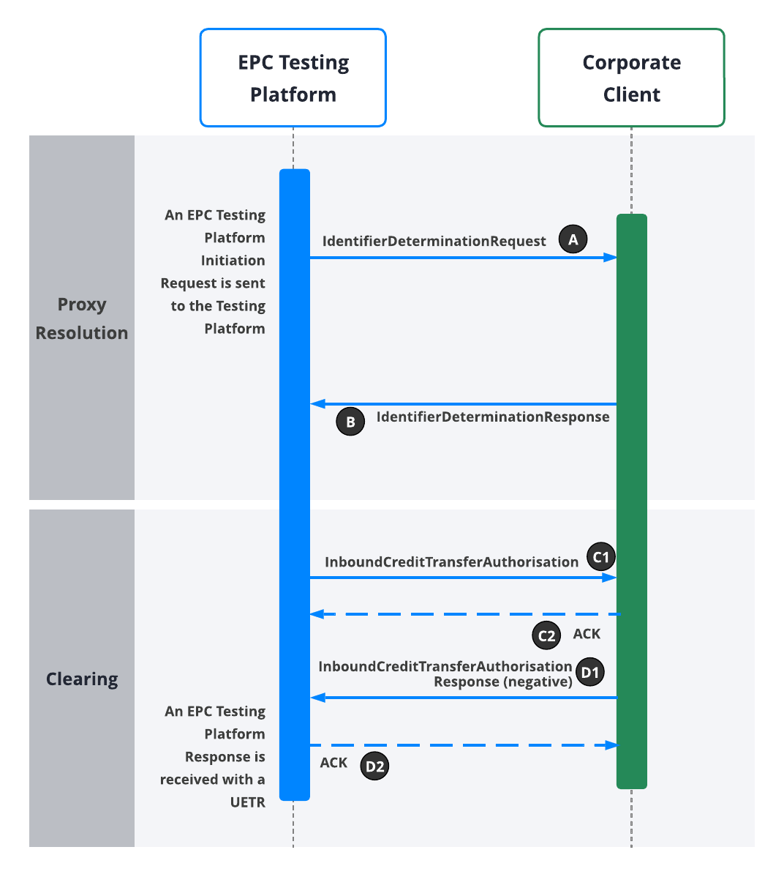

Test ID | Category | Test Scenario | Pre-Conditions | Test Input | Expected Outcome | Outcome Drill-Down Details | Testing Platform Output | Pass/Fail | Comments/Notes | Issue Log
 |  |  |  |  |  |  |  |  |  | Issue Description | Status | Severity
 | The category of the test | Description of what is being tested (what is the aim of the test case to test). e.g. Test that reversals will work | The conditions of the system prior to running the test cases | Inputs into the EPC Testing Platform required to initiate the test scenario. | The expected result of running the test case. e.g. We should see a successful 0430 messages. | The specific messages that should result in the expected outcome - this can be used for troubleshooting if the actual expected outcome was not achieved. | EPC Testing Platform output of the test scenario. | Was the scenario successful or not. | Any additional information, e.g. The test failed but this is expected until the next bug fix goes in. | Record of specific issue encountered that needs to be included in test report for customer. | Pending/Resolved | 1 - High impact/risk 2 - Medium impact/risk 3 - Low impact/risk
PE_4 | Inbound Pay-by-proxy | Negative Auth Response from Client that participates in Partner-Auth Applicable to: *** Partner-auth implementation | * Electrum EPC Testing Platform/Corporate Client connection is live | The Coporate Client sends an EPC Testing Platform Initiation Request to run the test scenario, including the following fields: * Test ID ("PE_4") - testId * Domain - initiationDetails.domain * A valid proxy linked to a customer account/record at the Corporate Client - initiationDetails.proxy * Amount (in major denomination) - initiationDetails.amount * Creditor Reference - initiationDetails.creditorReference NOTE: For this scenario, the Corporate Client should use domain and domain values for which the Client's system will respond positively to a proxy resolution request, but for which the authorisation step during the payment processing will fail. Events: RECEIVED_INITIATION_REQUEST ACCEPTED_INITIATION_REQUEST An EPC Testing Platform Initiation Response is received at the Coproate Cleint including the UETR that will be used in the transaction that will follow: * Transaction UETR - uetr | a) An IdentifierDeterminationRequest is received from Electrum at the Corporate Client, including: * Creation date and time - messageIdentifiers.creationDateTime * Message identifier - messageIdentifiers.messageIdentification * Proxy - request.identifier.value * Corporate Client domain - request.identifier.namespace * Transaction UETR - request.uetr | A in diagram | An EPC Testing Platfrom Response is received with an UETR for this executed test case/transaction. This UETR can be sent in a call to the EPC Testing Platform and will return the list of events that the simulated test scenario outputs. . List of PE_4 Events: RECEIVED_INITIATION_REQUEST ACCEPTED_INITIATION_REQUEST SENT_PROXY_RESOLUTION_REQUEST DELIVERED_PROXY_RESOLUTION_REQUEST ACCEPTED_PROXY_RESOLUTION_RESPONSE POSITIVE_PROXY_RESOLUTION_RESPONSE SENT_CREDIT_TRANSFER_REQUEST DELIVERED_CREDIT_TRANSFER_REQUEST ACCEPTED_PAYMENT_STATUS_REPORT NEGATIVE_PAYMENT_STATUS_REPORT Note: If the list of events does not match the above or an unexpected error results after running the test case, the test was unsuccessful and the issue must be troubleshooted. Note: The steps in blue above are those produced by the Corporate Client's interaction with the Testing Platform. The steps in black are automatically produced by the Testing Platform. | NOT TESTED YET | [Please add the transaction UETR here so that Electrum can find and review the transaction.]
 |  |  |  |  | b) An IdentifierDeterminationResponse is received from the Corporate Client at Electrum, including: * Creation date and time - messageIdentifiers.creationDateTime * Message identifier - messageIdentifiers.messageIdentification or request.instructedAgent.companyRegistration * Transaction UETR - report.originalUetr * Proxy Outcome ('SUCCESSFUL') - report.reportInformation.outcome NOTE: The following fields are optional but should be populated by the Corporate Client. * End user account creation date - report.reportInformation.accountInformation.creationDate * Proxy Schema ('MOBILE' or 'CUSTOM') - reportInformation.accountInformation.proxy.schema * Proxy - reportInformation.accountInformation.proxy.value * End user known as name - reportInformation.accountOwner.knownAsName Events: ACCEPTED_PROXY_RESOLUTION_RESPONSE POSITIVE_PROXY_RESOLUTION_RESPONSE | B in diagram
 |  |  |  |  | c) An InboundCreditTransferAuthorisation is received from Electrum at the Corporate Client, including: * Message identifier - messageIdentifiers.messageIdentification * Creation date and time - messageIdentifiers.creationDateTime * Transaction UETR - transactionIdentifiers.uetr * Currency ('ZAR') - amounts.bankSettlementAmount.currency * Amount - amounts.bankSettlementAmount.value * Creditor Account Number (Corporate Client Merchant Account) - creditorAccount.identification.value * Creditor Account Name (ultimate account holder/end user at Corporate Client) - creditorAccount.name * Creditor Domain (Corporate Client Domain) - creditorAccount.proxy.namespace * Creditor Agent (Corporate Client identifier) - creditorAgent.lei or creditorAgent.companyRegistration * Debtor Account Number - debtorAccount.identification * Debtor Account Name - debtorAccount.name * Debtor Agent BICFI/memberId/lei - debtorAgent.BICFI/memberId/lei | C1 in diagram
 |  |  |  |  | d) An HTTP 2xx (ACK) is received from the Corporate Client at Electrum for a CreditTransfer. | C2 in diagram
 |  |  |  |  | e) An inboundCreditTransferAuthorisationResponse is received from the Corporate Client at Electrum, including: * Message identifier - messageIdentifiers.messageIdentification * Creation date and time - messageIdentifiers.creationDateTime * Transaction UETR - transactionIdentifiers.uetr * Transaction Status ('REJECTED') - status.outcome * Transaction Status Reason - status.reasonInfo.reason Note: The PaymentStatusReport schema is used for this operation. Events: ACCEPTED_PAYMENT_STATUS_REPORT POSITIVE_PAYMENT_STATUS_REPORT | D1 in diagram
 |  |  |  |  | f) An HTTP 2xx (ACK) is received from Electrum at the Corporate Client for an inboundCreditTransferAuthorisationResponse. | D2 in diagram

PE_5
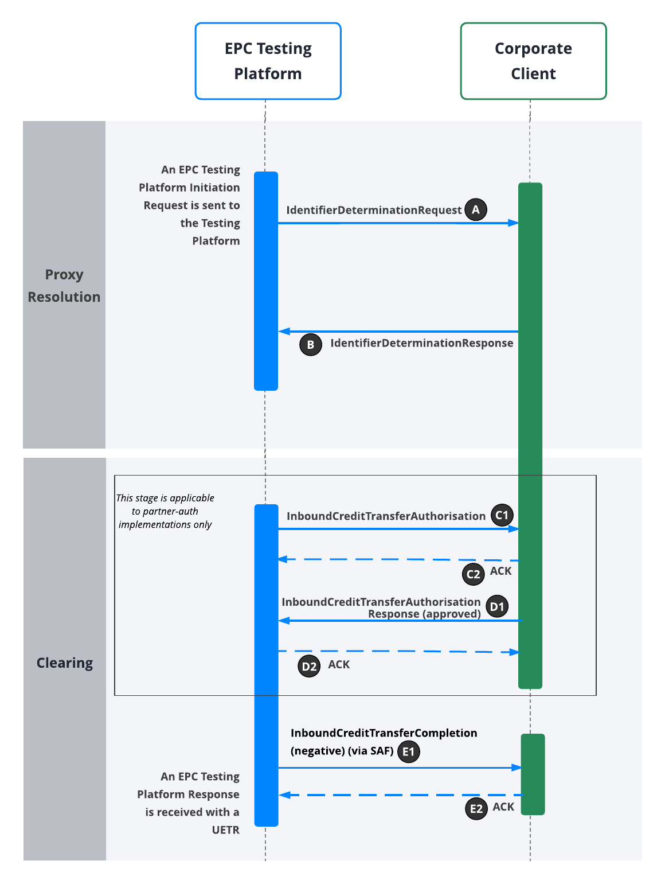

Test ID | Category | Test Scenario | Pre-Conditions | Test Input | Expected Outcome | Outcome Drill-Down Details | Testing Platform Output | Pass/Fail | Comments/Notes | Issue Log
 |  |  |  |  |  |  |  |  |  | Issue Description | Status | Severity
 | The category of the test | Description of what is being tested (what is the aim of the test case to test). e.g. Test that reversals will work | The conditions of the system prior to running the test cases | Inputs into the EPC Testing Platform required to initiate the test scenario. | The expected result of running the test case. e.g. We should see a successful 0430 messages. | The specific messages that should result in the expected outcome - this can be used for troubleshooting if the actual expected outcome was not achieved. | EPC Testing Platform output of the test scenario. | Was the scenario successful or not. | Any additional information, e.g. The test failed but this is expected until the next bug fix goes in. | Record of specific issue encountered that needs to be included in test report for customer. | Pending/Resolved | 1 - High impact/risk 2 - Medium impact/risk 3 - Low impact/risk
PE_5 | Inbound Pay-by-proxy | Negative Completion Applicable to: *** Auto-auth implementation *** Partner-auth implementation | * Electrum EPC Testing Platform/Corporate Client connection is live | The Coporate Client sends an EPC Testing Platform Initiation Request to run the test scenario, including the following fields: * Test ID ("PE_5") - testId * Domain - initiationDetails.domain * A valid proxy linked to a customer account/record at the Corporate Client - initiationDetails.proxy * Amount (in major denomination) - initiationDetails.amount * Creditor Reference - initiationDetails.creditorReference NOTE: For this scenario, the Corporate Client should use domain and domain values for which the Client's system will respond positively to a proxy resolution request, as well as to an authorisation request if the Client has implemented Partner-auth. Events: RECEIVED_INITIATION_REQUEST ACCEPTED_INITIATION_REQUEST An EPC Testing Platform Initiation Response is received at the Coproate Cleint including the UETR that will be used in the transaction that will follow: * Transaction UETR - uetr | a) An IdentifierDeterminationRequest is received from Electrum at the Corporate Client, including: * Creation date and time - messageIdentifiers.creationDateTime * Message identifier - messageIdentifiers.messageIdentification * Proxy - request.identifier.value * Corporate Client domain - request.identifier.namespace * Transaction UETR - request.uetr | A in diagram | An EPC Testing Platform Response is received with an UETR for this executed test case/transaction. This UETR can be sent in a call to the EPC Testing Platform and will return the list of events that the simulated test scenario outputs. . List of PE_5 Events: RECEIVED_INITIATION_REQUEST ACCEPTED_INITIATION_REQUEST SENT_PROXY_RESOLUTION_REQUEST DELIVERED_PROXY_RESOLUTION_REQUEST ACCEPTED_PROXY_RESOLUTION_RESPONSE POSITIVE_PROXY_RESOLUTION_RESPONSE SENT_CREDIT_TRANSFER_REQUEST DELIVERED_CREDIT_TRANSFER_REQUEST ACCEPTED_PAYMENT_STATUS_REPORT POSITIVE_PAYMENT_STATUS_REPORT SENT_DELIVERY_STATUS_REPORT DELIVERED_DELIVERY_STATUS_REPORT SENT_CANCELLATION_REQUEST DELIVERED_CANCELLATION_REQUEST Note: If the list of events does not match the above or an unexpected error results after running the test case, the test was unsuccessful and the issue must be troubleshooted. Note: The steps in blue above are those produced by the Corporate Client's interaction with the Testing Platform. The steps in black are automatically produced by the Testing Platform. | NOT TESTED YET | [Please add the transaction UETR here so that Electrum can find and review the transaction.]
 |  |  |  |  | b) An IdentifierDeterminationResponse is received from the Corporate Client * Creation date and time - messageIdentifiers.creationDateTime * Message identifier - messageIdentifiers.messageIdentification * Transaction UETR - report.originalUetr * Proxy Outcome ('SUCCESSFUL') - report.reportInformation.outcome NOTE: The following fields are optional but should be populated by the Corporate Client. * End user account creation date - report.reportInformation.accountInformation.creationDate * Proxy Schema ('MOBILE' or 'CUSTOM') - reportInformation.accountInformation.proxy.schema * Proxy - reportInformation.accountInformation.proxy.value * End user known as name - reportInformation.accountOwner.knownAsName Events: ACCEPTED_PROXY_RESOLUTION_RESPONSE POSITIVE_PROXY_RESOLUTION_RESPONSE | B in diagram
 |  |  |  |  | [Note that, although the complete test case is applicable to both auto-auth and partner-auth implementations, this particular step is applicable to partner-auth implementations only] c) An InboundCreditTransferAuthorisation is received from Electrum at the Corporate Client including: * Message identifier - messageIdentifiers.messageIdentification * Creation date and time - messageIdentifiers.creationDateTime * Transaction UETR - transactionIdentifiers.uetr * Currency ('ZAR') - amounts.bankSettlementAmount.currency * Amount - amounts.bankSettlementAmount.value * Creditor Account Number (Corporate Client Merchant Account) - creditorAccount.identification.value * Creditor Account Name (ultimate account holder/end user at Corporate Client) - creditorAccount.name * Creditor Domain (Corporate Client Domain) - creditorAccount.proxy.namespace * Creditor Agent (Corporate Client identifier) - creditorAgent.lei or creditorAgent.companyRegistration * Debtor Account Number - debtorAccount.identification * Debtor Account Name - debtorAccount.name * Debtor Agent BICFI/memberId/lei - debtorAgent.BICFI/memberId/lei | C1 in diagram
 |  |  |  |  | [Note that, although the complete test case is applicable to both auto-auth and partner-auth implementations, this particular step is applicable to partner-auth implementations only] d) An HTTP 2xx (ACK) is received from the Corporate Client at Electrum for a InboundCreditTransferAuthorisation. | C2 in diagram
 |  |  |  |  | [Note that, although the complete test case is applicable to both auto-auth and partner-auth implementations, this particular step is applicable to partner-auth implementations only] e) An inboundCreditTransferAuthorisationResponse is received from the Corporate Client at Electrum, including: * Message identifier - messageIdentifiers.messageIdentification * Creation date and time - messageIdentifiers.creationDateTime * Transaction UETR - transactionIdentifiers.uetr * Transaction Status ('APPROVED') - status.outcome Note: The PaymentStatusReport schema is used for this operation. Events: ACCEPTED_PAYMENT_STATUS_REPORT POSITIVE_PAYMENT_STATUS_REPORT | D1 in diagram
 |  |  |  |  | [Note that, although the complete test case is applicable to both auto-auth and partner-auth implementations, this particular step is applicable to partner-auth implementations only] f) An HTTP 2xx (ACK) is received from Electrum at the Corporate Client for an inboundCreditTransferAuthorisationResponse. | D2 in diagram
 |  |  |  |  | g) An inboundCreditTransferCompletion is received from Electrum at the Corporate Client via SAF, including: * Message identifier - messageIdentifiers.messageIdentification * Creation date and time - messageIdentifiers.creationDateTime * Transaction UETR - transactionIdentifiers.uetr * Transaction Status ('REJECTED' or 'CANCELLED') - status.outcome Note: The PaymentStatusReport schema is used for this operation. | E1 in diagram
 |  |  |  |  | h) An HTTP 2xx (ACK) is received from the Corporate Client to Electrum for an inboundCreditTransferCompletion. | E2 in diagram

